Disclaimer
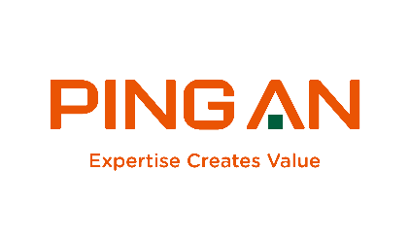 Ping An Insurance (Group) Company of China, Ltd.

This workbook is provided only for convenience. The information contained in this workbook is included in our financial reports filed with the Shanghai Stock Exchange and the Stock Exchange of Hong Kong Limited which are available on the Investor Relations section of our website at http://www.pingan.cn. Your use of this workbook is for informational purposes only and you agree not to misrepresent any calculations derived from the information included in this workbook as Ping An’s calculations.

Please visit http://pingan.cn/ir/index.shtml or http://www.pingan.cn/en/ir/index.shtml, where we discloses information about the company, its financial information, and its business which may be deemed material.

Contact info: IR@pingan.com.cn, PR@pingan.com.cn

